assignment
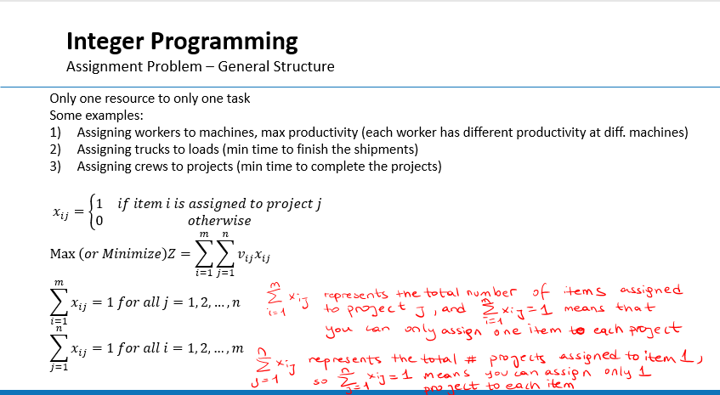
From\To | Baltimore | Boston | Boston | Chicago | Miami | New Orleans | New York | Newark | Number of Trucks Assigned from
Atlanta | 0 | 0 | 0 | 0 | 0 | 0 | 0 | 0 | 0
Atlanta | 0 | 0 | 0 | 0 | 0 | 0 | 0 | 0 | 0
Baltimore | 1 | 0 | 0 | 0 | 0 | 0 | 0 | 0 | 1
Boston | 0 | 0 | 1 | 0 | 0 | 0 | 0 | 0 | 1
Boston | 0 | 1 | 0 | 0 | 0 | 0 | 0 | 0 | 1
Chicago | 0 | 0 | 0 | 0 | 0 | 0 | 0 | 1 | 1
Chicago | 0 | 0 | 0 | 1 | 0 | 0 | 0 | 0 | 1
Denver | 0 | 0 | 0 | 0 | 0 | 0 | 0 | 0 | 0
Denver | 0 | 0 | 0 | 0 | 0 | 0 | 0 | 0 | 0
Indianapolis | 0 | 0 | 0 | 0 | 0 | 0 | 1 | 0 | 1
Jacksonville | 0 | 0 | 0 | 0 | 0 | 0 | 0 | 0 | 0
Memphis | 0 | 0 | 0 | 0 | 0 | 1 | 0 | 0 | 1
Memphis | 0 | 0 | 0 | 0 | 0 | 0 | 0 | 0 | 0
Miami | 0 | 0 | 0 | 0 | 1 | 0 | 0 | 0 | 1 | 2743.18
# Trucks assigned to | 1 | 1 | 1 | 1 | 1 | 1 | 1 | 1

From\To | Baltimore | Boston | Boston | Chicago | Miami | New Orleans | New York | Newark | Repositioning Distance
Atlanta | 0 | 0 | 0 | 0 | 0 | 0 | 0 | 0 | 0
Atlanta | 0 | 0 | 0 | 0 | 0 | 0 | 0 | 0 | 0
Baltimore | 0 | 0 | 0 | 0 | 0 | 0 | 0 | 0 | 0
Boston | 0 | 0 | 0 | 0 | 0 | 0 | 0 | 0 | 0
Boston | 0 | 0 | 0 | 0 | 0 | 0 | 0 | 0 | 0
Chicago | 0 | 0 | 0 | 0 | 0 | 0 | 0 | 1131 | 1131
Chicago | 0 | 0 | 0 | 0 | 0 | 0 | 0 | 0 | 0
Denver | 0 | 0 | 0 | 0 | 0 | 0 | 0 | 0 | 0
Denver | 0 | 0 | 0 | 0 | 0 | 0 | 0 | 0 | 0
Indianapolis | 0 | 0 | 0 | 0 | 0 | 0 | 1035 | 0 | 1035
Jacksonville | 0 | 0 | 0 | 0 | 0 | 0 | 0 | 0 | 0
Memphis | 0 | 0 | 0 | 0 | 0 | 577 | 0 | 0 | 577
Memphis | 0 | 0 | 0 | 0 | 0 | 0 | 0 | 0 | 0
Miami | 0 | 0 | 0 | 0 | 0 | 0 | 0 | 0 | 0
 |  |  |  |  |  |  |  | Total: | 2743.18

